Peepads
Image | Category | Item # | Retail | Description | Material | Dimensions | Color | Country
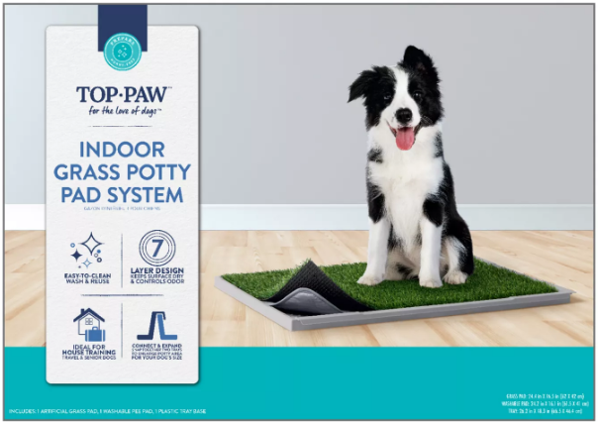 | PEEPADS | 5360473 | $34.99 | Top Paw® Indoor Grass Potty Pad System For Dogs, Includes Grass Pad, Washable Pee Pad & Base Tray | Artificial Grass, Plastic | Grass Pad: 24.4 in x 16.5 in (62 x 42 cm); Washable Pad: 24.2 x 16.1 in (61.5 x 41 cm); Tray: 26.2 in x 18.3 in (66.5 x 46.4 cm) | Green, Gray | -
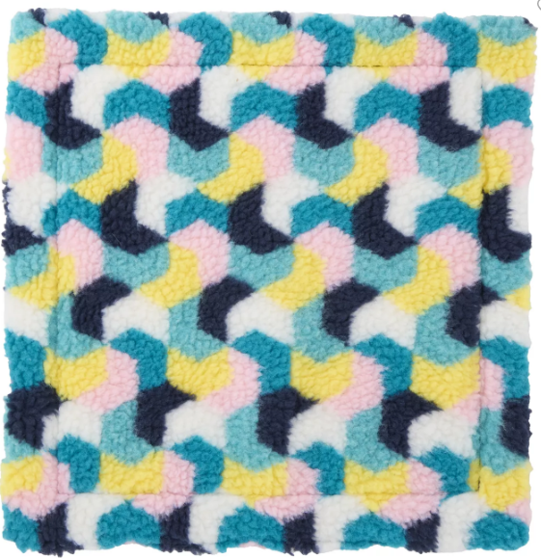 | PEEPADS | 5353398 | $12.99 | Full Cheeks™ Fleece Pee Pad | Shell: 100% Polyester Filling: 100% Polyester Batting | 12 in L x 12 in W x (30.4 x 30.4 cm) | Multiple Colors | -
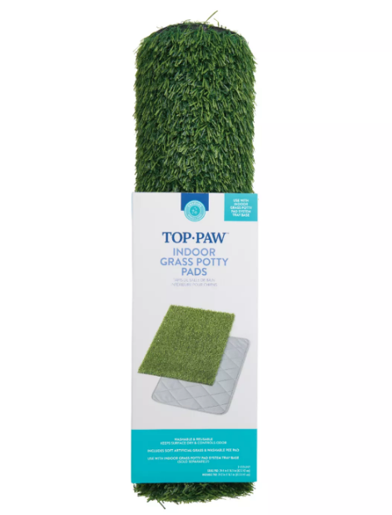 | PEEPADS | 5360474 | $29.99 | Top Paw® Indoor Grass Potty Pads For Potty Training, Includes Artifical Grass Pad & Washable Pad | Artificial Grass | Grass Pad: 24.4 in x 16.5 in (62 x 42 cm); Washable Pad: 24.2 in x 16.1 in (61.5 x 41 cm) | Green, Gray | -
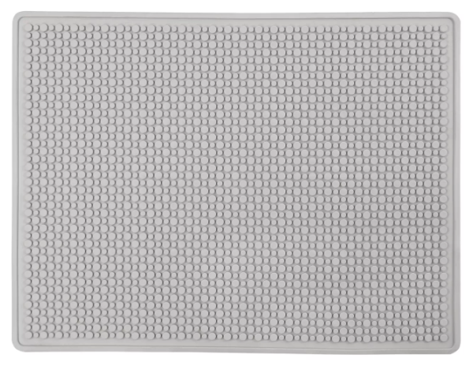 | RUBBER MATS | 5297624 | $42.99 | ExquisiCat® Cat Litter Trapping X-Large Mat, Waterproof, Urine-Proof, Gray, 37" x 28" | Rubber | 37 IN X 28 IN (93.9 X 71.1 cm) | Gray | China
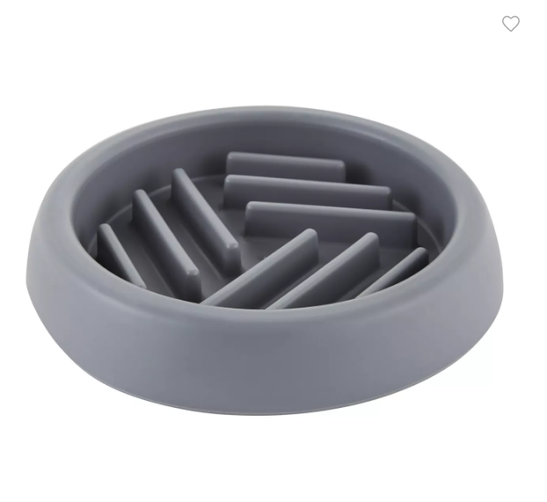 | PET BOWLS | 5320471 | $10.99 | Top Paw® Grey Puzzle Slow Feeder Dog Bowl, 0.75-cup | Plastic | 5.9 in DIA x 1 in H (14.9 x 2.54 cm) | Grey | -
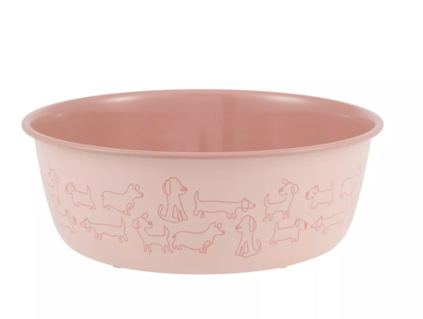 | PET BOWLS | 5367107 | $12.99 | Top Paw® Novelty Pink Dogs Stainless Steel Dog Bowl | Plastic, Stainless Steel | 8 IN X 8 IN X 3 IN (20.3 X 20.3 X 7.6 cm) | Pink | -
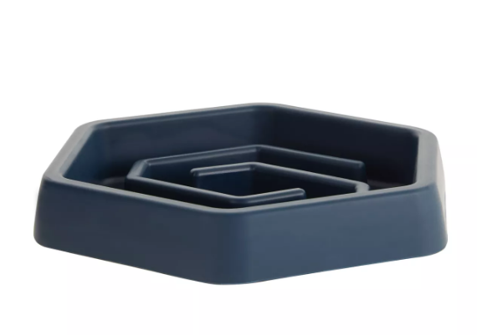 | PET BOWLS | 5320473 | $14.99 | Top Paw® Puzzle Slow Feeder Dog Bowl | TPR | 8.05 IN D X 9 IN W X 1.4 IN H(20.4 X 22.8 X 3.55 cm) | Blue | -
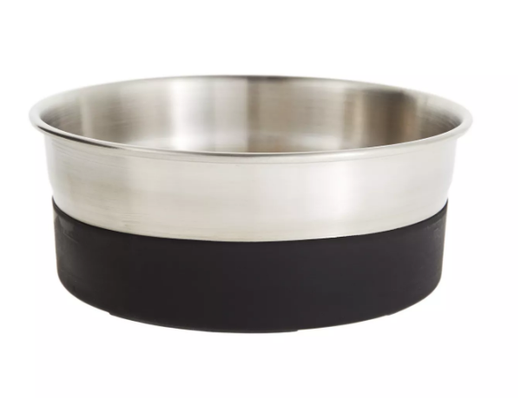 | PET BOWLS | 5302639 | $21.99 | Top Paw® Stainless Steel Black Rubber Bottom Dog Bowl | Metal, Plastic | 7.75 in x 7.75 in x 3-1/8 in | Black, Silver | -
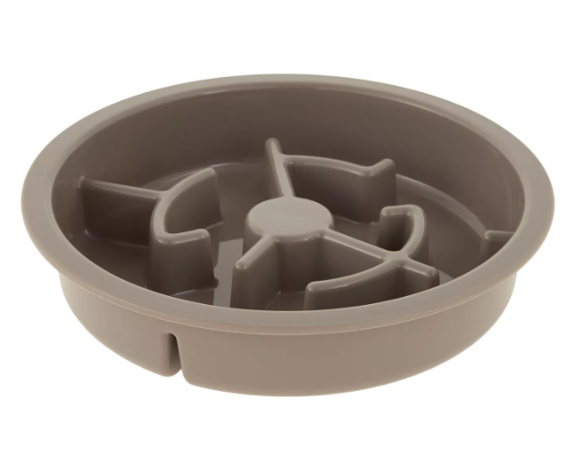 | PET BOWLS | 5292121 | $18.99 | Top Paw® Grey Slow Feeder Dog Bowl, 6.75-cup | PP | 10 IN DIA X 2 IN H (25.4 X 5.08 cm) | Grey | -
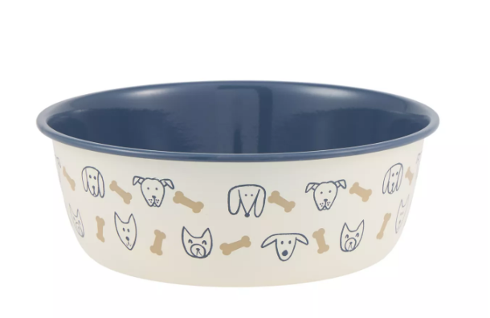 | PET BOWLS | 5367106 | $12.99 | Top Paw® Novelty Dog Faces Stainless Steel Dog Bowl | Plastic, Stainless Steel | 8 IN X 8 IN X 3 IN (20.3 X 20.3 X 7.26 cm) | Cream, Blue, Brown | -
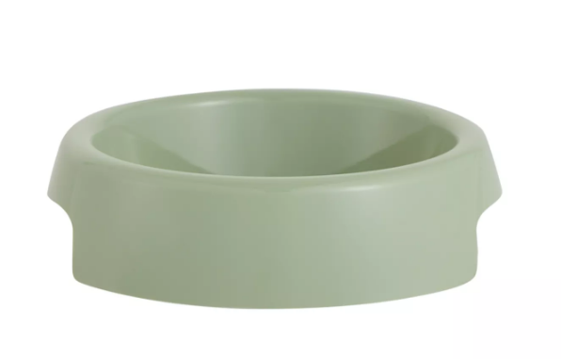 | PET BOWLS | 5366815 | $3.99 | Top Paw® Green Plastic Dog Bowl | Plastic | 6.1 IN X 6.1 IN X 1.45 IN (15.4 X 15.4 X 3.68 cm) | Green | -
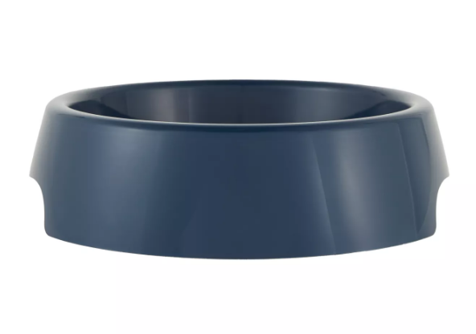 | PET BOWLS | 5320478 | $5.99 | Top Paw® Pearl Plastic Dog Bowl | Plastic | 8.2 IN X 10.5 IN X 2.8 | Blue Pearl | -
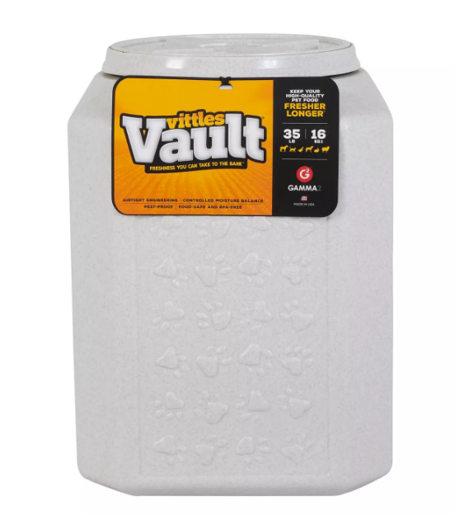 | PET BOWLS | 5087369 | $54.99 | Vittles Vault® by GAMMA2 Paw Print Pet Food Container | BPA-Free HDPE Plastic | 12 in x 12 in x 16.75 in | Granite Stone | -
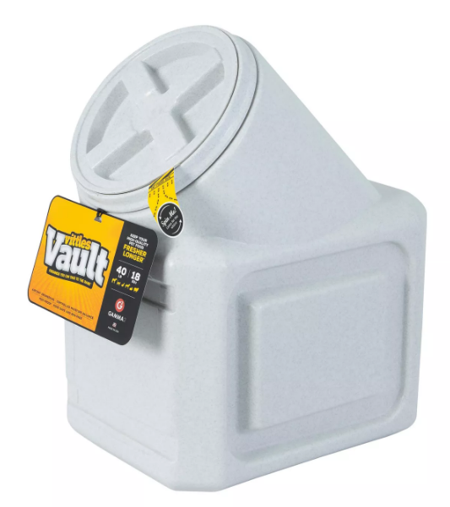 | PET BOWLS | 5063535 | $64.99 | Vittles Vault® by GAMMA2 Stackable Pet Food Container | BPA-Free HDPE Plastic | 12 in x 20.5 in x 16.75 in | Granite Stone | -
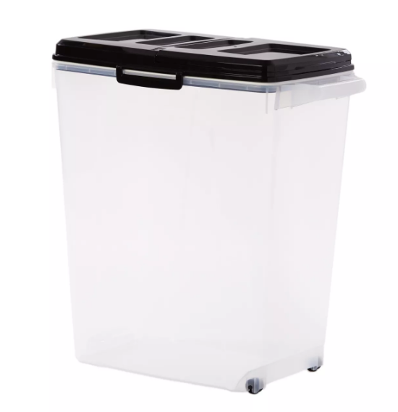 | PET BOWLS | 5302226 | $44.99 | Top Paw® Plastic Food Storage Container with Dual-Sided Lid and Built-In Scoop, BPA-Free | Plastic | 21 .5 in | Clear, Black | -
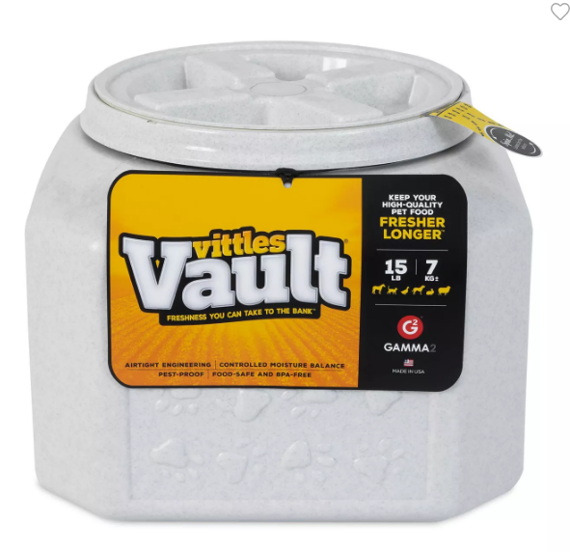 | PET BOWLS | 5094489 | $49.99 | Vittles Vault® by GAMMA2 Pet Food Container, 15 LB | BPA-Free HDPE Plastic | 12 in x 12 in x 8.75 in | Granite Stone | -
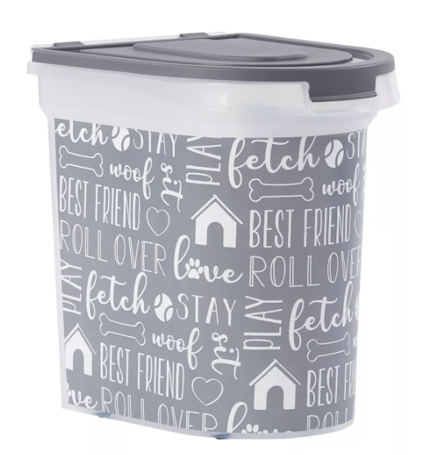 | PET BOWLS | 5311608 | $39.99 | Paw Prints Printed Pet Food Storage Container with Wheels, 26-lb | Plastic | - | Clear, Black | -
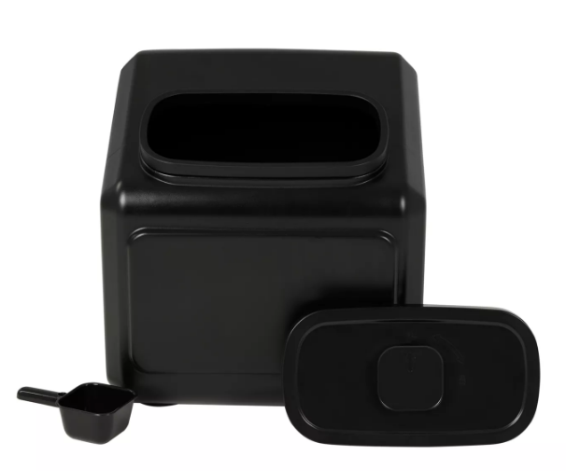 | PET BOWLS | 5366617 | $64.99 | Top Paw® Airtight Dog Food Storage Container | PP, HDPE, ABS, Silicone | 17.9 IN W X 17.9 IN L X 15.7 IN H (45.4 X 45.4 X 40 cm) | Black | -
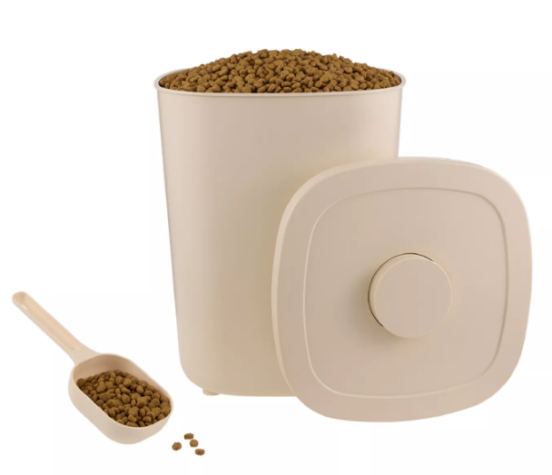 | PET BOWLS | 5366807 | $34.99 | Whisker City® Food Storage Container & Scoop | Plastic | 9.84 IN W X 9.84 IN D X 12.91 IN H | Cream | -
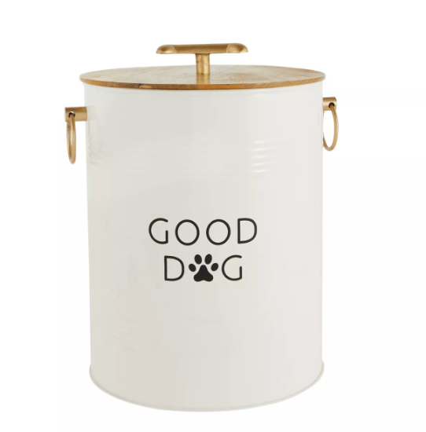 | PET BOWLS | 5357766 | $49.99 | Top Paw® Storage Tin | Tin, Wood | 11.25 in x 11.25 in x 15.5 in | White, Black, Brown | -
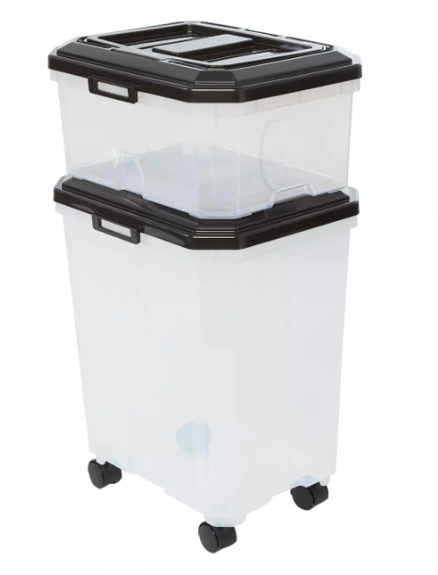 | PET BOWLS | 5325891 | $39.99 | Top Paw® Stackable Storage Containers - 2 Containers & 2 Scoops | Plastic | 31 in L & 11.3 in L | Clear, Black | -
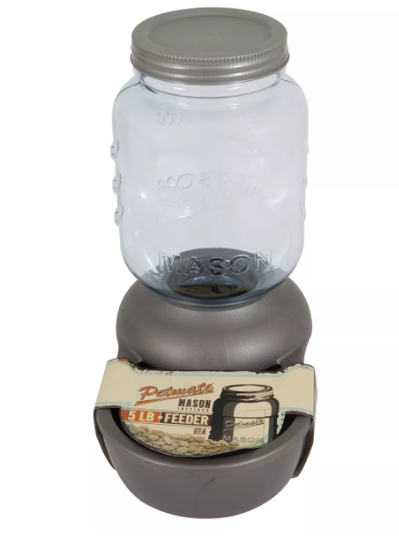 | PET BOWLS | 5214246 | $62.99 | Petmate® Mason Jar Replenishing Pet Waterer | BPA Free Plastic | 17.24 x 10.28 x 17.73 | Silver | -
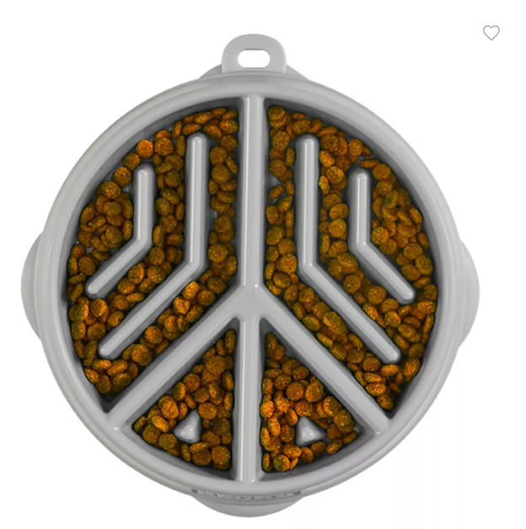 | PET BOWLS | 5366805 | $15.99 | Outward Hound Fun Feeder Slow Bowl Peace | - | 9.09 x 8.66 x 1.42 | Green | -
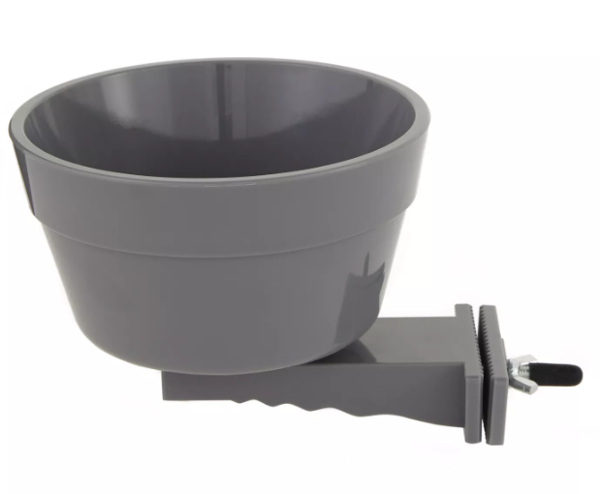 | PET BOWLS | 5357767 | $16.99 | Top Paw® Crate Crock | Plastic | 5.4 X 6.1 X 5.3 | Grey | -
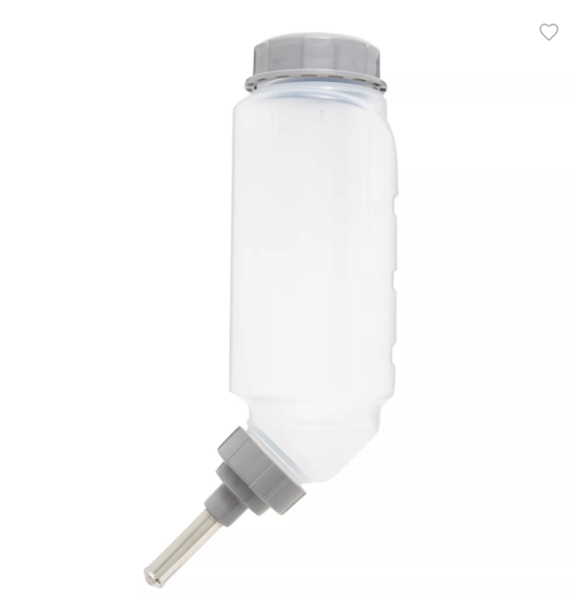 | PET BOWLS | 5343219 | $19.99 | Top Paw® No-Drip Water Bottle | Plastic, Stainless Steel | - | Grey, Clear | -
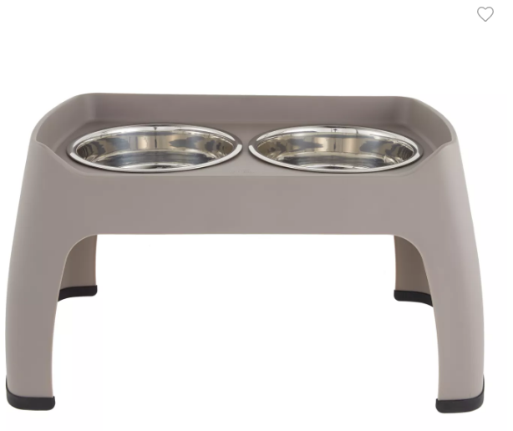 | PET BOWLS | 5292196 | $59.99 | Top Paw® Elevated Double Diner Pet Feeder | - | 15 in (38.1 cm) | Grey | -
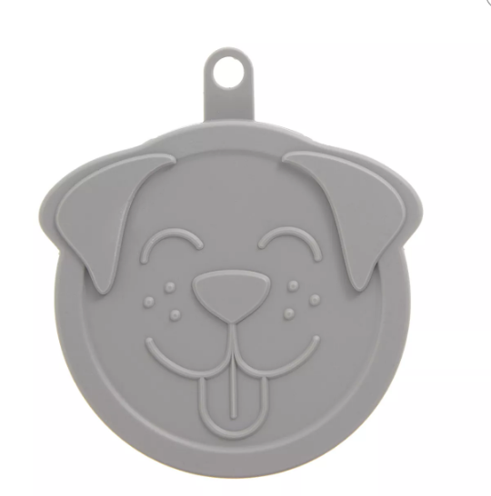 | PET BOWLS | 5320964 | $3.99 | Top Paw® Dog Face Pet Food Can Cover (COLOR VARIES) | Plastic | - | Assorted colors | -
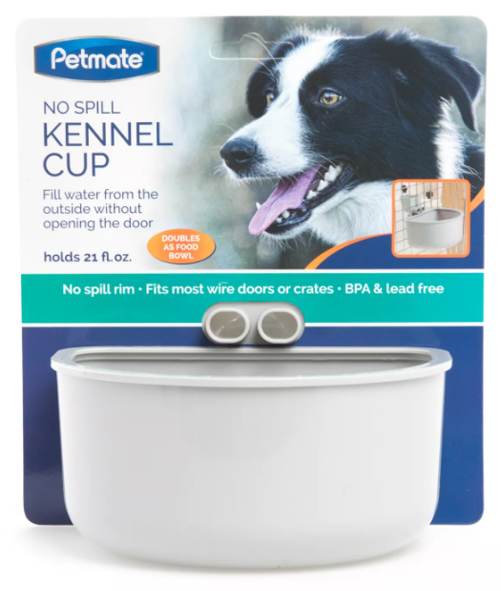 | PET BOWLS | 5270308 | $11.99 | Petmate® No Spill Kennel Cup | Plastic | - | Grey | -
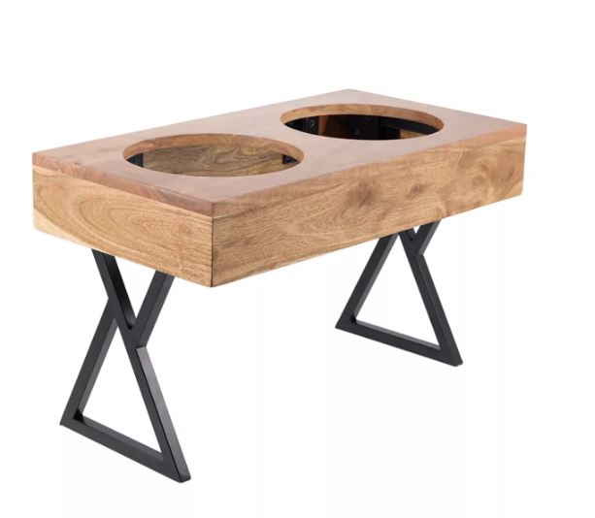 | PET BOWLS | 5367329 | $64.99 | Top Paw® Adjustable BPA Free Double Diner with 2 Bowls | Wood, Stainless Steel | Each Overall Height: 3.2 IN, 8.6 IN, 12.5 IN (8.2 cm, 21.8 cm, 31.7 cm) | Brown | -
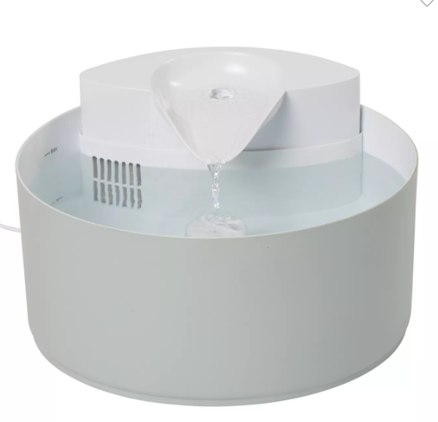 | PET BOWLS | 5366865 | $79.99 | Top Paw® Flowing Fountain | Plastic | - | White | -
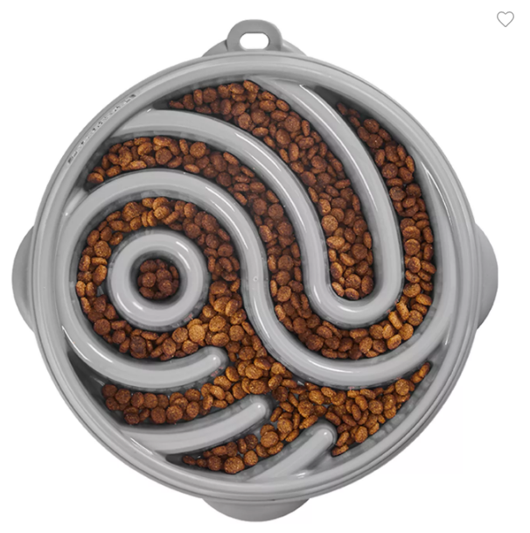 | PET BOWLS | 5366644 | $21.99 | Outward Hound Ying Yang Slow Feeder | - | Bowl: 10.75 x 10.51 x 1.79 | Pink | -
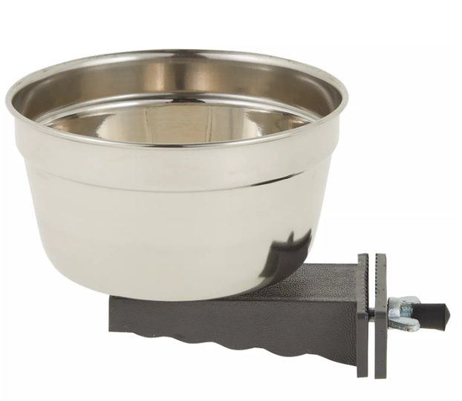 | PET BOWLS | 5357765 | $19.99 | Top Paw® Crate Crock | Stainless Steel, Plastic | 4⅞ in x 4⅞ in x 3⅝ in | Silver, Gray | -
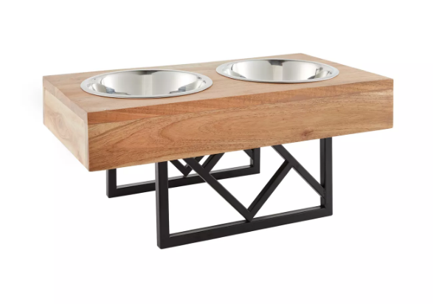 | PET BOWLS | 5347802 | $59.99 | Top Paw® Adjustable Double Diner | Wood, Steel | Overall Height: 3.2 in, 8.6 in, 12.5 in (8.2 cm, 21.8 cm, 31.7 cm) | Color of diner may vary | -
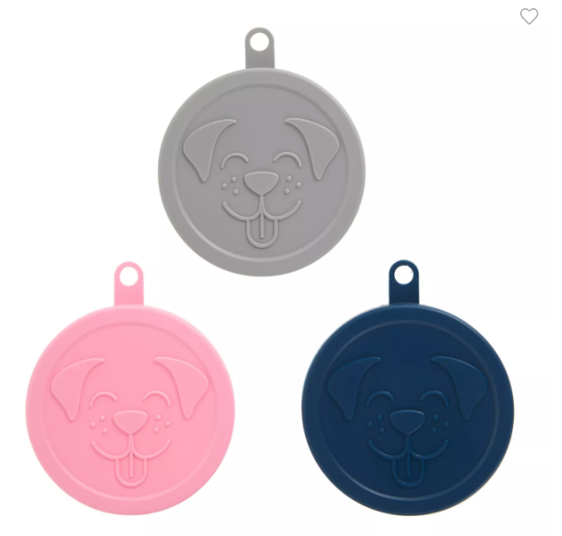 | PET BOWLS | 5320963 | $8.99 | Top Paw® Dog Face Pet Food Can Covers - 3 Pack | Plastic | - | Grey, Pink, & Blue | -
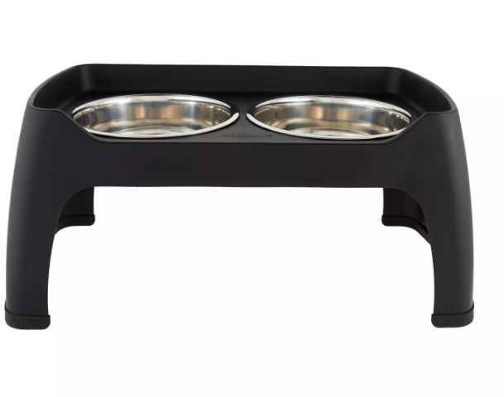 | PET BOWLS | 5309259 | $49.99 | Top Paw® Elevated Double Diner Pet Feeder | Plastic, Stainless Steel | Overall Height: 12 in (30.4 cm) | Black | -
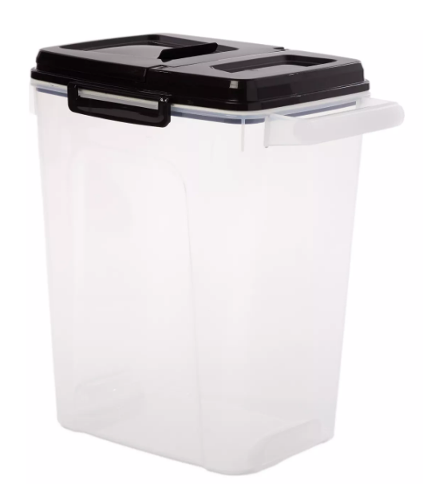 | PET BOWLS | 5302225 | $25.99 | Top Paw® Plastic Food Storage Dispenser with Pour Spout, BPA-Free | Plastic | 21 .5 in | Clear, Black | -
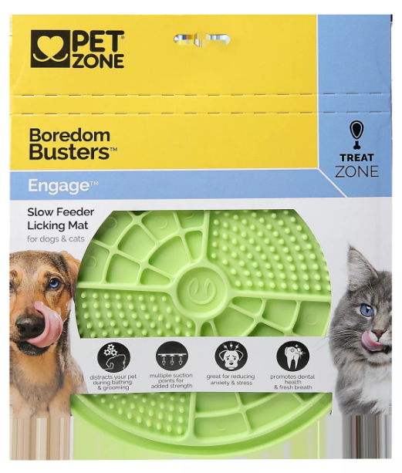 | PET BOWLS | 5303389 | $12.99 | Pet Zone Boredom Busters™ Engage Slow Feeder Licking Mat | High quality, non-toxic FDA Grade TPE | 8 x 8 x .25 | Green | -
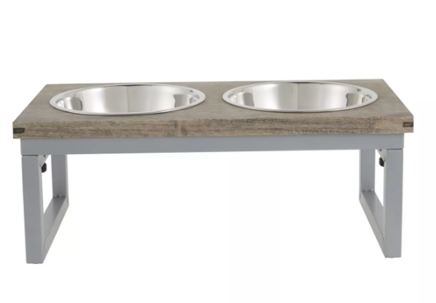 | PET BOWLS | 5302393 | $39.99 | Top Paw® Grey Wood Top Folding Legs Elevated Dog Feeder, 3.5-cup | Wood. Stainless Steel | Stand: 16.31 in L x 8.5 in W x 6.31 in H (41.4 x 21.59 x 16.03 cm) | Grey, Silver | -

